INPUT manual
1. Fill in Header *[INPUT sheet]

1

2

3

 | No |  | Item name |  |  | How to edit
 | 1 |  | Company name |  |  | Confirm your company(Don’t change)
 | 2 |  | Due date to register |  |  | Fill in due date to register
 | 3 |  | Application purpose |  |  | Fill in application purpose

5
2. Answer the question and Press the above button *[INPUT sheet]

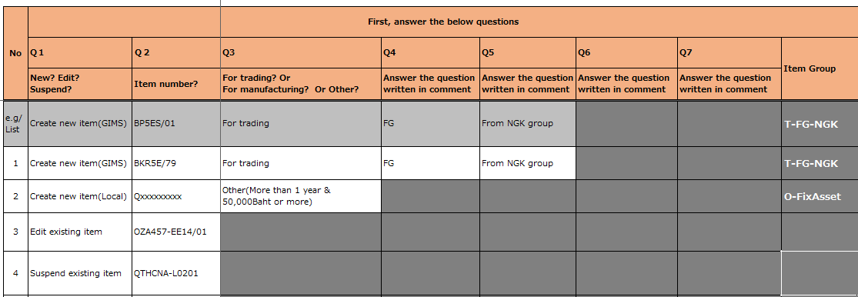

1
2
3
4

SAMPLE

 |  |  |  |  |  |  |  |  |  |  |  |  | [Paste GIMS]sheet

 | No |  | Question |  |  | selected answer |  |  | Following action
 | 1 |  | Q1 New? Edit? Suspend? |  |  | Create new item(GIMS) |  |  | Paste GIMS data of Item number which you will input on [Paste GIMS] sheet. After that,Fill in Q2 - Q7
 |  |  |  |  |  | Create new item(Local) |  |  | Fill in Q2 - Q7
 |  |  |  |  |  | Edit existing item |  |  | Fill in only Q2(Item number)
 |  |  |  |  |  | Suspend exiting item |  |  | Fill in only Q2(Item number)

 | No |  | Question |  |  | Description |  |  |  |  |  |  |  | Paste GIMS data from line2
 | 2 |  | Q2 Item number |  |  | Fill in item number
 | 3 |  | Q3 For trading? Or For manufacturing? Or Other? |  |  | Select answer refer to the below.
SAMPLE
 | 4 |  | Q4-Q7 |  |  | Select answer the question written in comment of cell, refer to the below. *Question can be changed depending on former answer. If not need to answer, the cell color became gray.

 | No |  | Question |  |  | Description
 | 5 |  | Button |  |  | After finishing question part of all line, press this button to get current data from DB automatically based on your answer.

 | Q3-Q7 Reference
 | Q |  | Answer |  |  |  |  | Detail
 | Q3 |  | For trading |  |  |  |  | Buy it from another company and sell it as it is.
 |  |  | For manufacturing |  |  |  |  | Manufacture in-house and sell.
 |  |  |  |  |  |  |  | Please select "For manufacturing" if you have both possibilities.
 |  |  | Fiexed Asset |  |  |  |  | (Thailand) "Acquisition cost is 50,000 THB or more" and "It can be used for over one year"
 |  |  | Other than Fixed Asset |  |  |  |  | (Thailand) "Acquisition cost is less than 50,000 THB" or "It can't be used for over one year"
 |  |  |  |  |  |  |  | If you can't decide by yourself, please confirm with accounting department.
 | Q4 |  | KDRM |  |  |  |  | KD parts or Raw materials
 |  |  | FG |  |  |  |  | Finish goods
 |  |  | WIP |  |  |  |  | Not finish goods, Not KD parts or Raw materials (Include semi-products for sales)
 |  |  | SubFG |  |  |  |  | CAP [OZAS-S3] producing by SANKO
 |  |  | SubWIP |  |  |  |  | [OZAS-S5] Lead Wire producing by SANKO
 |  |  | Manufacturing materials |  |  |  |  | Subsidiary materials (chemical), Machinery parts and consumable tools (factory supply, tooling)
 |  |  | For sales |  |  |  |  | Packing for sales, promotion expense
 |  |  | Others |  |  |  |  | Not manufacturing materials and not for sales
 | Q5 |  | Purchased From NGK group |  |  |  |  | Purchased from NGK group
 |  |  | From outside supplier |  |  |  |  | Purchased from not NGK group
 |  |  | Subsidiary materials |  |  |  |  | Chemical / Packaging
 |  |  | Machinery parts and consumable tools |  |  |  |  | Tooling, Machine parts, Factory supply
 |  |  | Packaging |  |  |  |  | Packaging materials used for transportation (Not for manufacturing)
 |  |  | Sales Promotion - Coupon |  |  |  |  | Coupon for sales promotion
 |  |  | Sales Promotion - Supply |  |  |  |  | Goods (except PromCP) for sales promotion
 |  |  | Sales Promotion - Activity |  |  |  |  | Activity for sales promotion
 |  |  | Calibration |  |  |  |  | Calibration
 |  |  | Welfare(PIT) |  |  |  |  | PIT(Labor cost)
 |  |  | Other Welfare(Non-PIT) |  |  |  |  | Non-PIT(Other Expense)
 |  |  | For repair |  |  |  |  | Repair building or equipment
 |  |  | Office supply Expense |  |  |  |  | Office supply, stationery, consumption goods (Exclude office supply at factory side)
 |  |  | IT Expense |  |  |  |  | The item for IT
 |  |  | Service Fee |  |  |  |  | The service requred PO (If no need issue PO, no need to register the item to item master)
 |  |  | Miscellaneous |  |  |  |  | Miscellaneous item

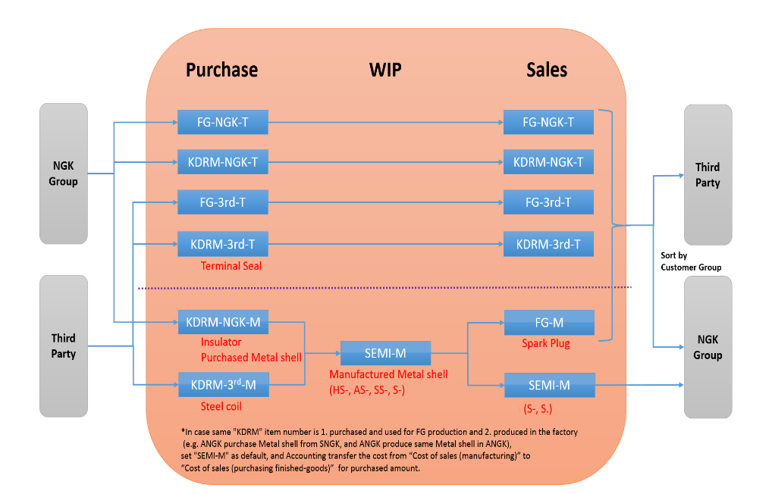
 | Q3 |  |  |  | Q4 |  |  | Q5 |  | Q6 |  | Item Group
 | For Trading |  |  |  | FG |  |  | NGK |  |  |  | FG-NGK-T
 |  |  |  |  |  |  |  | 3rd |  |  |  | FG-3rd-T
 |  |  |  |  | KDRM |  |  | NGK |  |  |  | KDRM-NGK-T
 |  |  |  |  |  |  |  | 3rd |  |  |  | KDRM-3rd-T
 | For manufacturing (In case Trading and Manufacturing, select this.) |  |  |  | FG |  |  |  |  |  |  | FG-M
 |  |  |  |  | WIP |  |  |  |  |  |  | SEMI-M
 |  |  |  |  | KDRM |  |  | NGK |  |  |  | KDRM-NGK-M
 |  |  |  |  |  |  |  | 3rd |  |  |  | KDRM-3rd-M
 |  |  |  |  | PKG |  |  |  |  |  |  | Packaging
 |  |  |  |  | SubFG |  |  |  |  |  |  | SubconFG
 |  |  |  |  | SubWIP |  |  |  |  |  |  | SubconWIP
 | Other |  |  | More than 1 year & 50,000Baht or more |  |  |  |  |  |  |  | FixAsset
 |  |  |  | No | Manufacturing materials |  |  | Subsidiary materials |  | Packaging |  | Packaging
 |  |  |  |  |  |  |  |  |  | Chemical |  | Chemical
 |  |  |  |  |  |  |  | Machinery parts and consumable tools |  | Tooling |  | Tooling
 |  |  |  |  |  |  |  |  |  | Machine parts |  | MachineP
 |  |  |  |  |  |  |  |  |  | Factory supply |  | FactorySup
 |  |  |  |  | For sales |  |  | Packaging |  |  |  | PKG-Sales
 |  |  |  |  |  |  |  | Sales Promotion - Coupon |  |  |  | PromCP
 |  |  |  |  |  |  |  | Sales Promotion - Supply |  |  |  | PromSupply
 |  |  |  |  |  |  |  | Sales Promotion - Activity |  |  |  | PromAct
 |  |  |  |  | Others |  |  | Calibration |  |  |  | Calibrate
 |  |  |  |  |  |  |  | Welfare(PIT) |  |  |  | WelfarePIT
 |  |  |  |  |  |  |  | Other Welfare(Non-PIT) |  |  |  | WelfareNon
 |  |  |  |  |  |  |  | Repair |  | Repair Building |  | RepairBldg
 |  |  |  |  |  |  |  |  |  | Repair Equipment |  | RepairEqui
 |  |  |  |  |  |  |  | Office supply Expense |  |  |  | OfficeSup
 |  |  |  |  |  |  |  | IT Expense |  |  |  | IT-Exp
 |  |  |  |  |  |  |  | Service Fee |  |  |  | ServiceFee
 |  |  |  |  |  |  |  | Miscellaneous |  |  |  | Misc

3. Check current data, and fill in or edit * [INPUT sheet]

 | 【When "Create new(GIMS)" or "Create new (Local)" is selected at Q1】
 |  |  | In case mandatory and not filling in, the cell color is yellow like the below No1. Please make sure to fill in.
 |  |  | If not mandatory, tne cell color is not yellow. Please fill in as needed
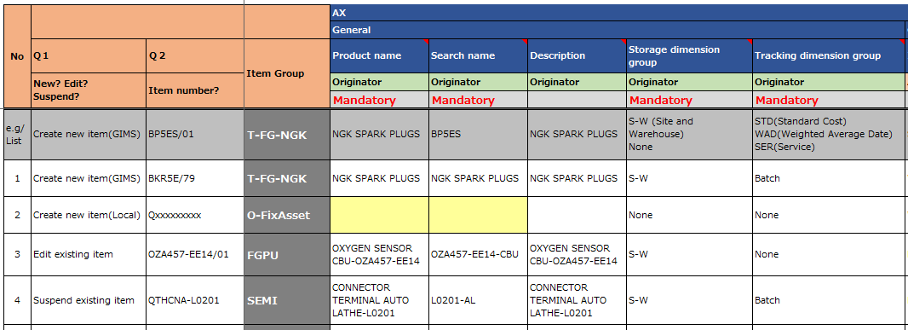

1

 | 【When "Edit existing item" or "Suspend exiting item" is selected at Q1】
 |  |  | When you change the content of cell, the cell color became orange like No2.
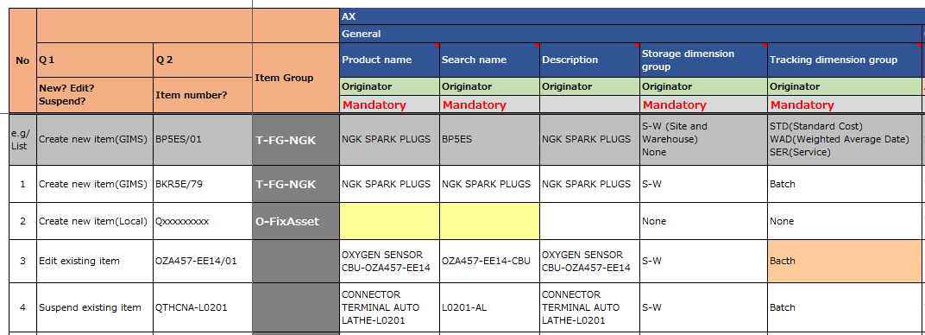

1
2

2

4. Check data with [VIEW] sheet or [FlexNet Asprova View] sheet

 |  | You can check input data with [VIEW] sheet or [FlexNet Asprova View] sheet
 |  | As for [View]sheet, select line No with spin button(No1).
 |  | The each cell color in [VIEW] sheet is the same as the each cell color in [INPUT sheet] in order to notice easily.

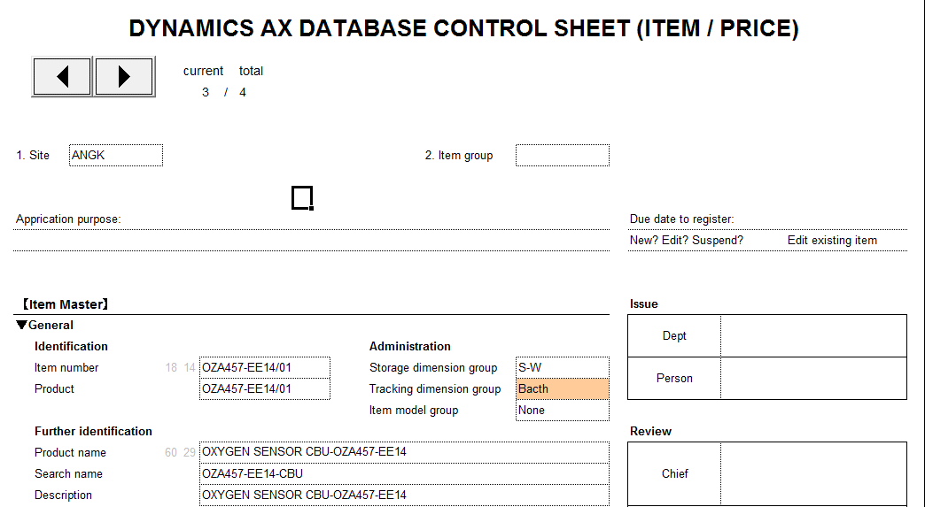

2

5. If No problem, fill in Dept and sign, and Review *[INPUT sheet]

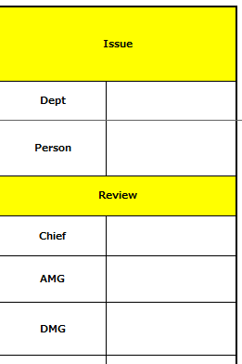
1
2
3
 |  |  |  |  |  |  | No | Item name |  |  | How to edit
 |  |  |  |  |  |  | 1 | Issue Dept |  |  | Select your Dept
 |  |  |  |  |  |  | 2 | Issue Person |  |  | Select cell, and sign automatically *
 |  |  |  |  |  |  | 3 | Review |  |  | After review is completed, manager etc select cell, and sign automatically as well

 |  |  |  |  |  |  | *After you signed, you won't be able to edit anymore.
 |  |  |  |  |  |  | If you want to revise, press [Revise] button, though all approve will be erased.

